Bug 3
Bug #: | 3
Product: | TextPad
Build #: | 7.0.7
OS: | Windows 11 Education
Severity: | Low
Summary: | Truncation 'Bering Information' in 'About TextPad' dialog
Description: | Steps to reproduce: 1. Launch 'TextPad' 2. Go to 'Help' -> 'About TextPad' Expected result: There are no truncation Actual result: There are truncations
Attachment: | 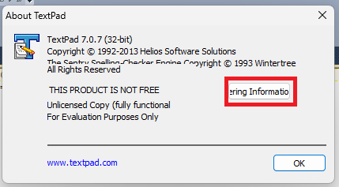

Bug 4
Bug #: | 4
Product: | TextPad
Build #: | 7.0.7
OS: | Windows 11 Education
Severity:
Summary:
Description: | 1. Launch TextPad 2. Open any document containing text data 3. Go to File -> Print… to invoke Print dialog Expected result: There are no truncations Actual result: There are truncations
Attachment: | 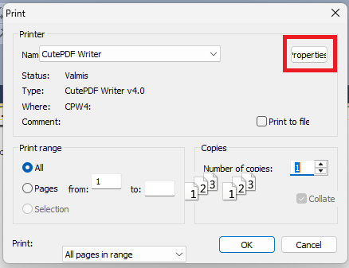

Bug 5
Bug #: | 5
Product: | TextPad
Build #: | 7.0.7
OS: | Windows 11 Education
Severity:
Summary:
Description: | 1. Launch TextPad 2. Open any document containing text data 3. Go to File -> Print… to invoke Print dialog Expected result: There are no misalignments present Actual result: There are misalignments present
Attachment: | 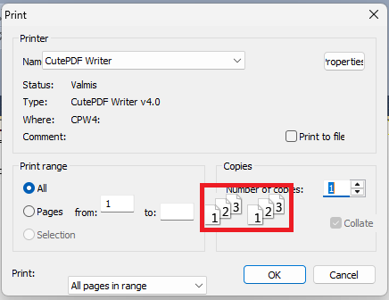

Bug 7
Bug #: | 7
Product: | TextPad
Build #: | 7.0.7
OS: | Windows 11 Education
Severity:
Summary:
Description:
Attachment: | 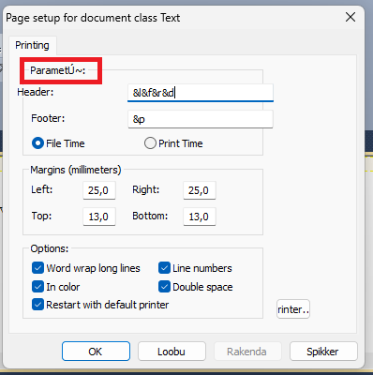

Bug 8
Bug #: | 8
Product: | TextPad
Build #: | 7.0.7
OS: | Windows 11 Education
Severity:
Summary:
Description:
Attachment: | 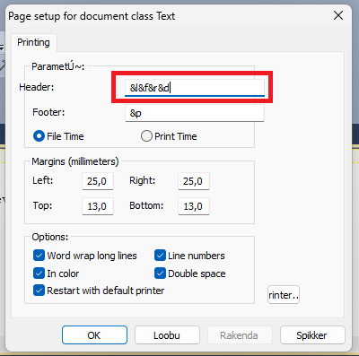

Bug 9
Bug #: | 9
Product: | TextPad
Build #: | 7.0.7
OS: | Windows 11 Education
Severity:
Summary:
Description:
Attachment: | 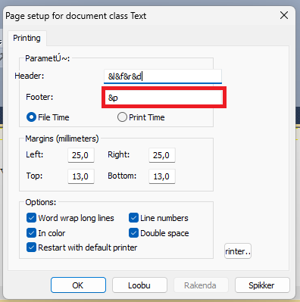

Bug 10
Bug #: | 10
Product: | TextPad
Build #: | 7.0.7
OS: | Windows 11 Education
Severity:
Summary:
Description:
Attachment: | 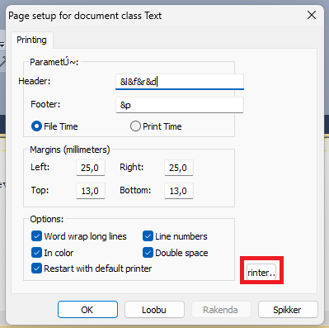

Bug 13
Bug #: | 7
Product: | TextPad
Build #: | 7.0.7
OS: | Windows 11 Pro
Severity:
Summary:
Description:
Attachment: | 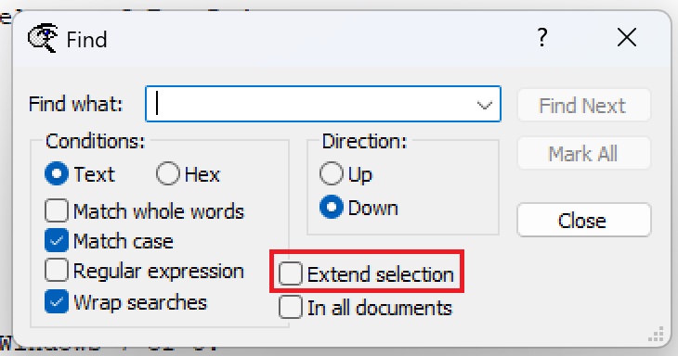

Bug 14
Bug #: | 7
Product: | TextPad
Build #: | 7.0.7
OS: | Windows 11 Pro
Severity:
Summary:
Description:
Attachment: | 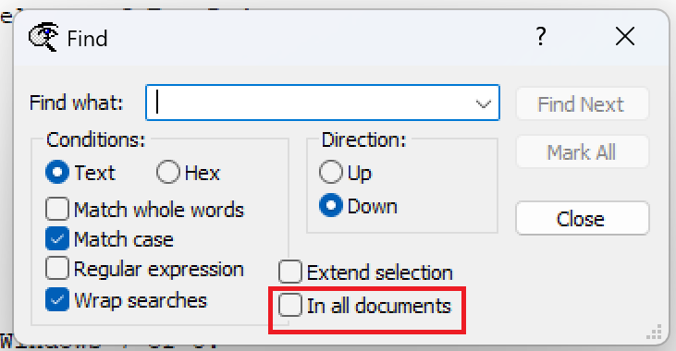

Bug 15
Bug #: | 7
Product: | TextPad
Build #: | 7.0.7
OS: | Windows 11 Pro
Severity:
Summary:
Description:
Attachment: | 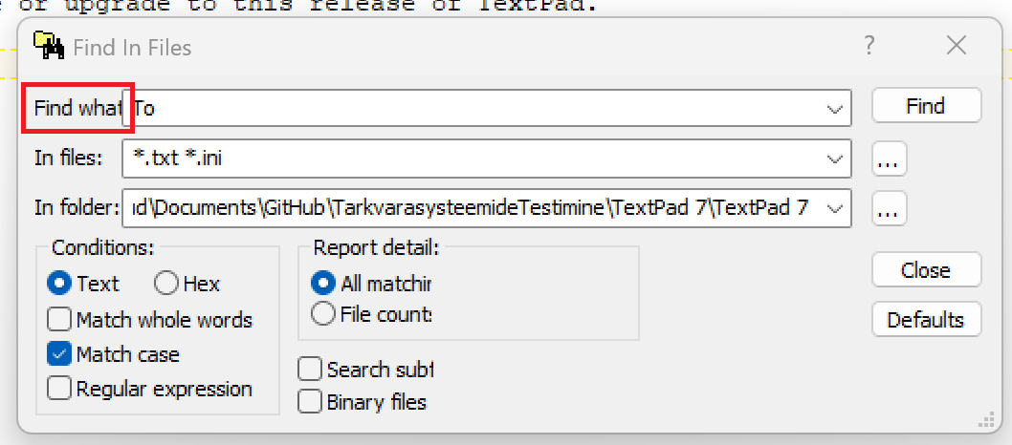

Bug 16
Bug #: | 7
Product: | TextPad
Build #: | 7.0.7
OS: | Windows 11 Pro
Severity:
Summary:
Description:
Attachment: | 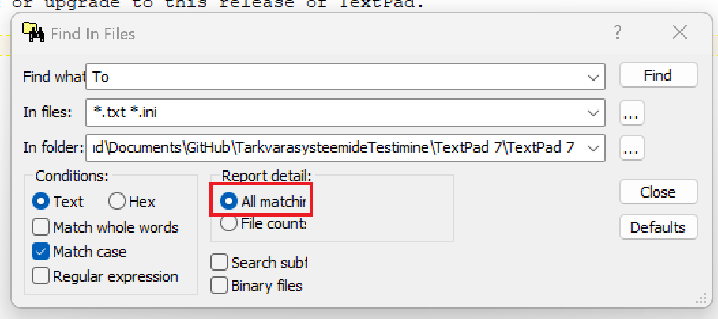

Bug 17
Bug #: | 7
Product: | TextPad
Build #: | 7.0.7
OS: | Windows 11 Pro
Severity:
Summary:
Description:
Attachment: | 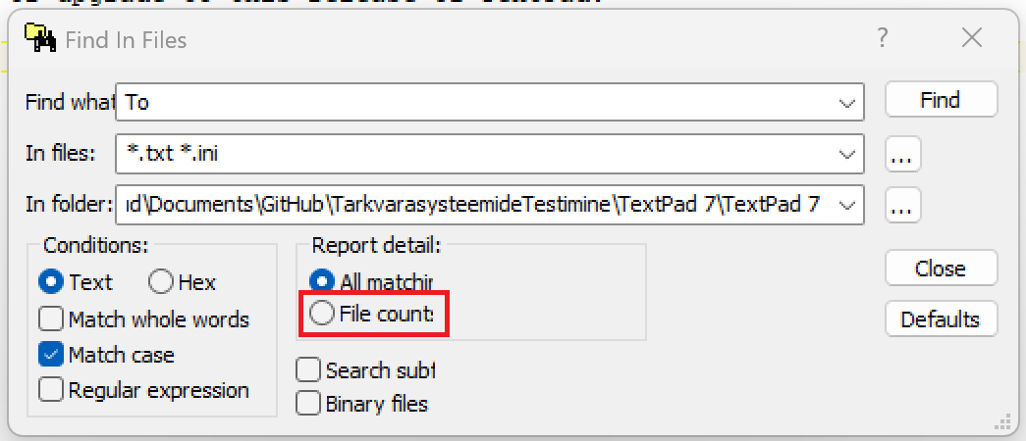

Bug 18
Bug #: | 7
Product: | TextPad
Build #: | 7.0.7
OS: | Windows 11 Pro
Severity:
Summary:
Description:
Attachment: | 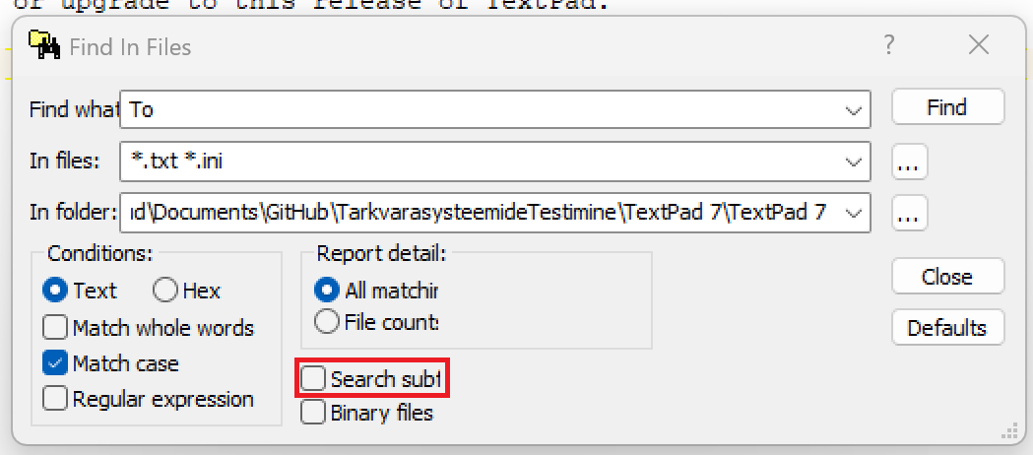

Bug 19
Bug #: | 7
Product: | TextPad
Build #: | 7.0.7
OS: | Windows 11 Pro
Severity:
Summary:
Description: | Open files
Attachment: | 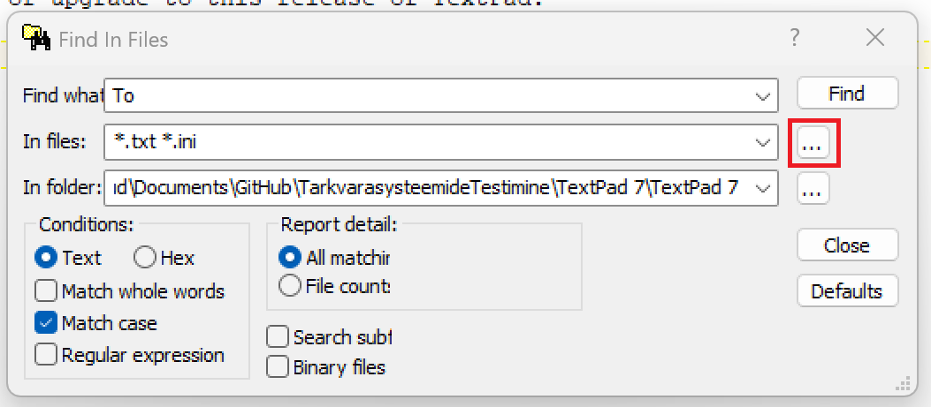

Bug 20
Bug #: | 7
Product: | TextPad
Build #: | 7.0.7
OS: | Windows 11 Pro
Severity:
Summary:
Description: | Browse For Folder
Attachment: | 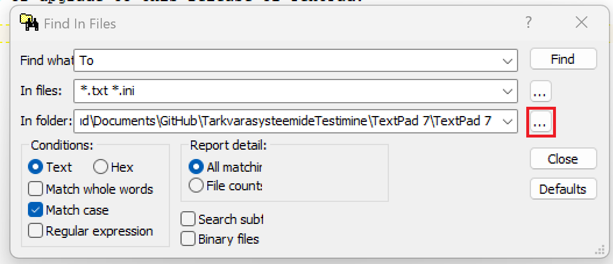

Bug 21
Bug #: | 7
Product: | TextPad
Build #: | 7.0.7
OS: | Windows 11 Pro
Severity:
Summary:
Description:
Attachment: | 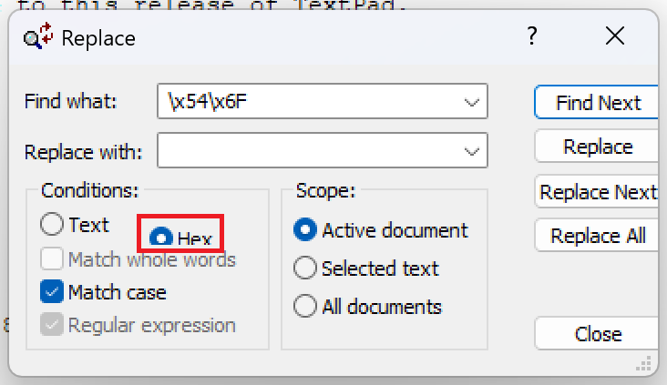

Bug 22
Bug #: | 7
Product: | TextPad
Build #: | 7.0.7
OS: | Windows 11 Pro
Severity:
Summary:
Description:
Attachment: | 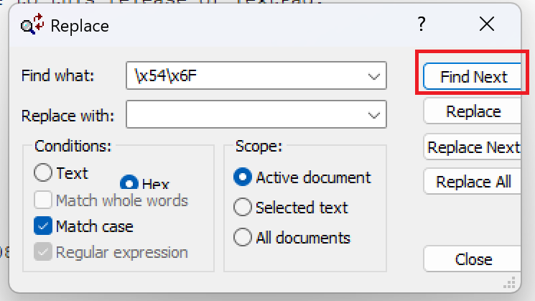

Bug 23
Bug #: | 7
Product: | TextPad
Build #: | 7.0.7
OS: | Windows 11 Pro
Severity:
Summary:
Description:
Attachment: | 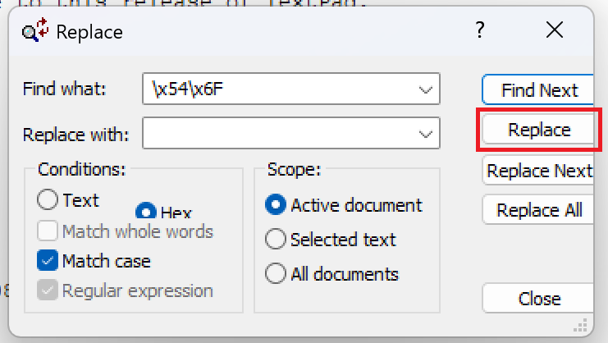

Bug 24
Bug #: | 6
Product: | TextPad
Build #: | 7.0.7
OS: | Windows 11 Pro
Severity:
Summary:
Description:
Attachment: | 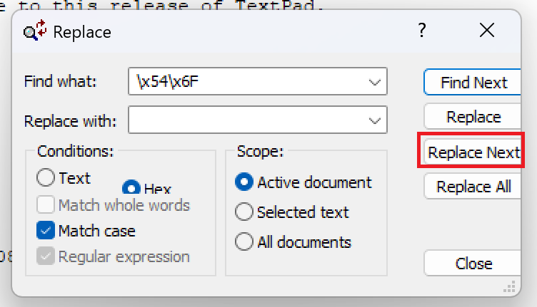

Bug 25
Bug #: | 7
Product: | TextPad
Build #: | 7.0.7
OS: | Windows 11 Pro
Severity:
Summary:
Description:
Attachment: | 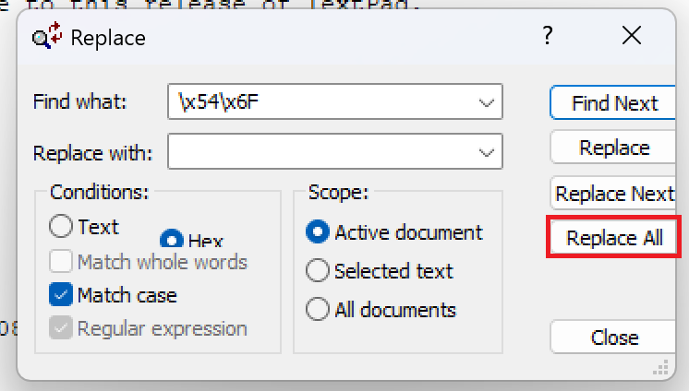

Bug 26
Bug #: | 7
Product: | TextPad
Build #: | 7.0.7
OS: | Windows 11 Pro
Severity:
Summary:
Description:
Attachment: | 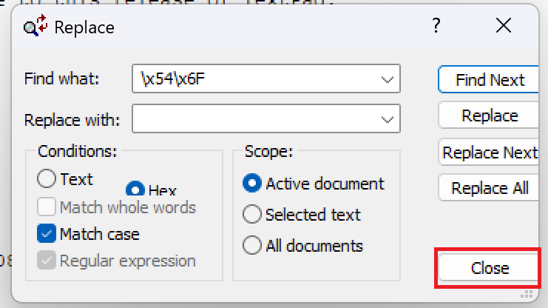

Bug 27
Bug #: | 7
Product: | TextPad
Build #: | 7.0.7
OS: | Windows 11 Pro
Severity:
Summary:
Description: | On kohast natuke ära
Attachment: | 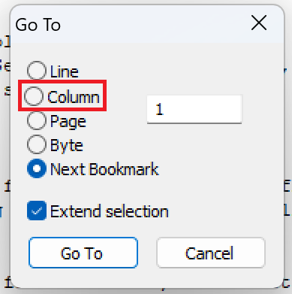

Bug 28
Bug #: | 7
Product: | TextPad
Build #: | 7.0.7
OS: | Windows 11 Pro
Severity:
Summary:
Description:
Attachment: | 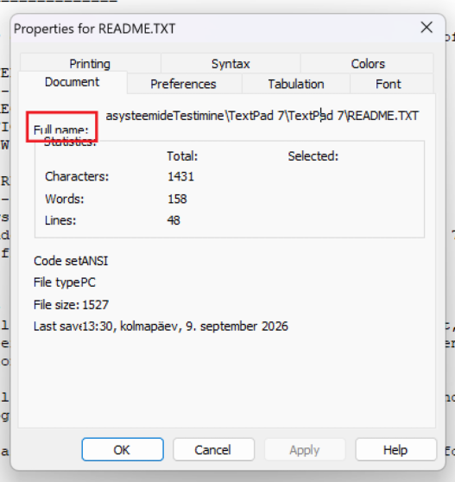

Bug 29
Bug #: | 7
Product: | TextPad
Build #: | 7.0.7
OS: | Windows 11 Pro
Severity:
Summary:
Description:
Attachment: | 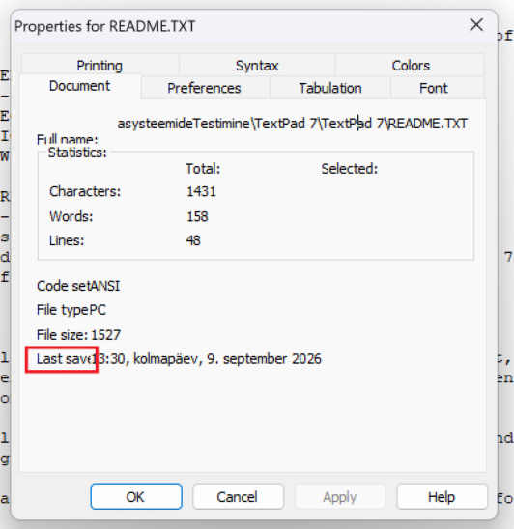

Bug 30
Bug #: | 7
Product: | TextPad
Build #: | 7.0.7
OS: | Windows 11 Pro
Severity:
Summary:
Description: | Valge kuubik on seal kus number peaks olema
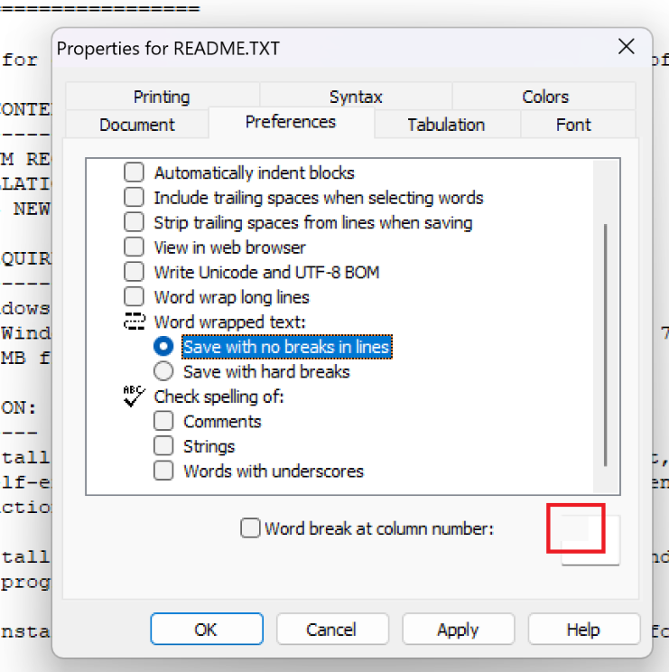
Attachment:

Bug 31
Bug #: | 7
Product: | TextPad
Build #: | 7.0.7
OS: | Windows 11 Pro
Severity:
Summary:
Description:
Attachment: | 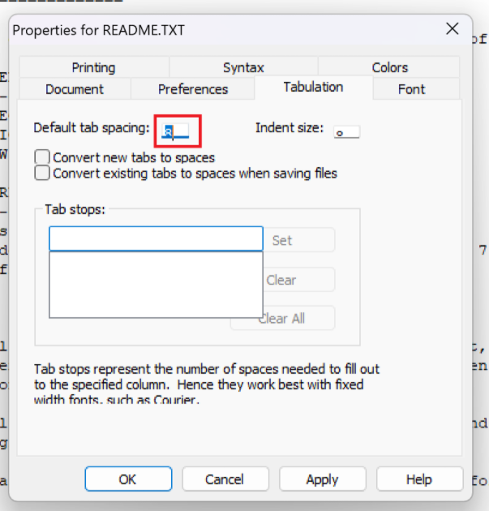

Bug 32
Bug #: | 7
Product: | TextPad
Build #: | 7.0.7
OS: | Windows 11 Pro
Severity:
Summary:
Description:
Attachment: | 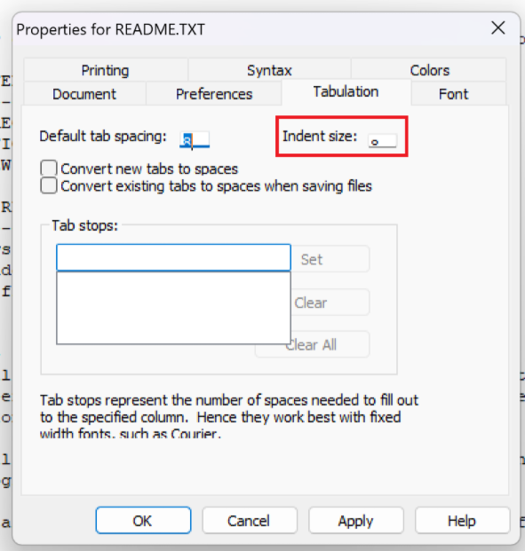

Bug 33
Bug #: | 7
Product: | TextPad
Build #: | 7.0.7
OS: | Windows 11 Pro
Severity:
Summary:
Description:
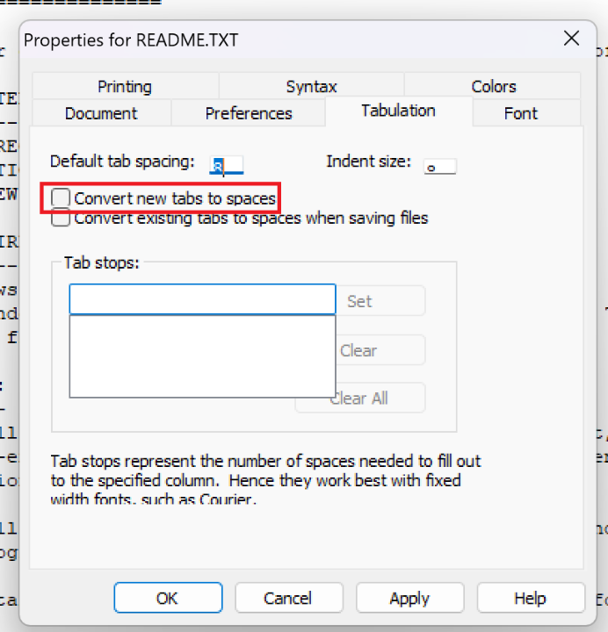
Attachment:

Bug 34
Bug #: | 7
Product: | TextPad
Build #: | 7.0.7
OS: | Windows 11 Pro
Severity:
Summary:
Description:
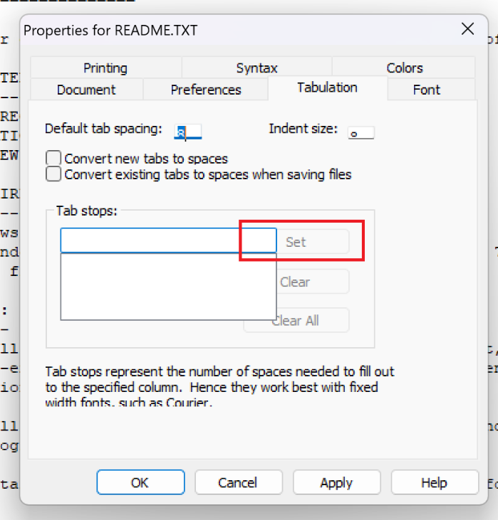
Attachment:

Bug 35
Bug #: | 7
Product: | TextPad
Build #: | 7.0.7
OS: | Windows 11 Pro
Severity:
Summary:
Description:
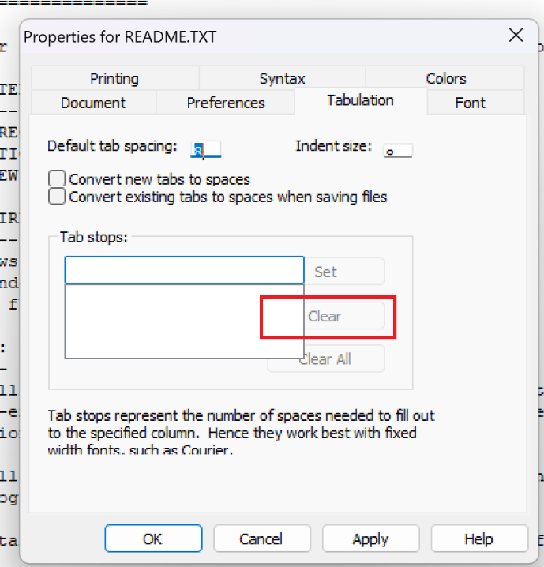
Attachment:

Bug 36
Bug #: | 7
Product: | TextPad
Build #: | 7.0.7
OS: | Windows 11 Pro
Severity:
Summary:
Description:
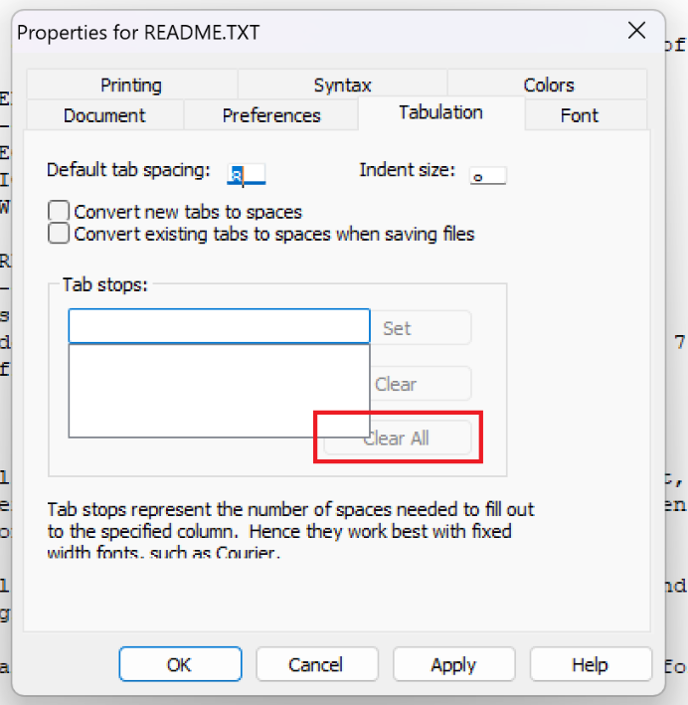
Attachment:

Bug 37
Bug #: | 37
Product: | TextPad
Build #: | 7.0.7
OS: | Windows 11 Pro
Severity:
Summary:
Description:
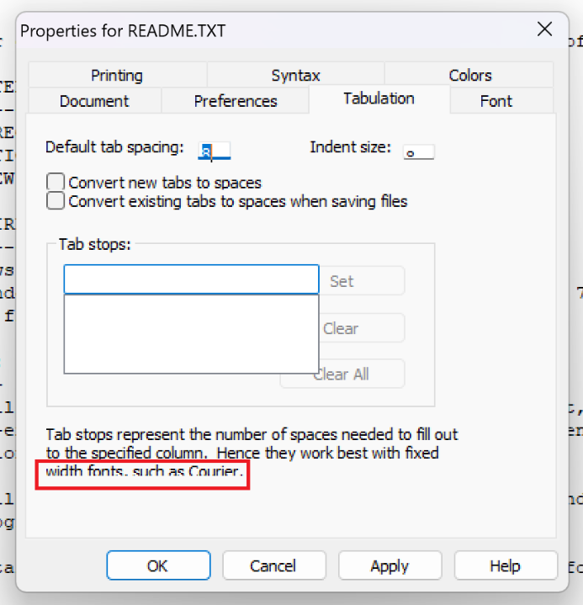
Attachment:

